Target List
OP ACTIVE RESOLVE JOINT TARGET LIST
Current as of: Event start
NUMBER | NAME | TARGET CATEGORY | TARGET PRIORITY | LAT | LONG | ELEVATION | EXPLANATION /SIGNIFICANCE | Effect of taking out
OPARTGT001 | Syrian Army HQ building 1 | 2 |  | N36 10.932 | E037 05.540 | 1427ft | Located in Aleppo. HQ building for planning, organizing and development in the Syrian Army.
OPARTGT002 | Syrian Army HQ building 2 | 2 |  | N36 10.755 | E037 05.895 | 1427ft | Located in Aleppo. HQ building for Syrian Army high command.
OPARTGT003 | 922nd SCUD regiment base | 2021-06-02 |  | N36 10.500 | E037 04.800 | 1427ft | Located in Aleppo. Home base for SCUD regiment.
OPARTGT004 | 923rd SCUD Regiment base | 2021-06-02 |  | N33 21.000 | E036 19.500 | 2484ft | Located in Damascus (south)
OPARTGT005 | Jablah Navy port | 6 |  | N35 21.660 | E035 55.175 | 23ft | Military port for reciving resupply to Bassel Al-Assad airbase. Located 3nm southwest of Bassel Al-Assad airfield
OPARTGT006 | SYR Navy storage | 6 / 9 / 12 |  | N35 32.434 | E035 46.524 | 16ft | Storage for Syrian navy, key supplies to keep ships going. Located in the harbour at Latakia
OPARTGT007 | Damascus NE Ammunition Factory | 10 |  | N33 37.300 | E036 29.000 | 2119ft | Produce shells. Located IVO Damascus (NORTHEAST)
OPARTGT008 | Tartus Ammunition Factory | 10 |  | N34 54.800 | E035 54.200 | 154ft | Produce shells. IVO Tartus
OPARTGT009 | Damascus N Ammunition Factory | 10 |  | N33 33.900 | E036 20.000 | 2484 | Produce shells - Damascus
OPARTGT010 | Homs Ammunition Factory | 10 |  | N34 43.100 | E036 42.400 | 1654 | Produce rockets. In Homs
OPARTGT011 | Raqqa Ammunition Factory | 10 |  | N35 56.400 | E039 00.500 | 774ft | Produce rockets. Located In Raqqa
OPARTGT012 | Jirah SW Ammunition Factory | 10 |  | N36 04.500 | E037 54.500 | 1152 | Produce rockets. Located in Jirah Southwest
OPARTGT013 | Damascus NE2 Ammunition Factory | 10 |  | N33 36.800 | E036 27.500 | 2060ft | Produce missiles. Located IVO Damascus (NORTHEAST)
OPARTGT014 | Damascus NW Ammunition Factory | 10 |  | N33 26.900 | E036 23.700 | 2096 | Produce missiles. Located in Damascus
OPARTGT015 | Mezzeh Ammunition Factory | 10 |  | N33 29.700 | E036 19.200 | 2205ft | Produce missiles. Located in Damscus.
OPARTGT016 | Homs Ammunition Factory | 10 |  | N34 39.220 | E036 37.650 | 1634ft | Produce bombs. IVO Homs
OPARTGT017 | Jirah S Ammunition Factory | 10 |  | N36 01.400 | E037 58.200 | 1198ft | Produce bombs. Located in Jirah south
OPARTGT018 | Hama Ammunition Factory | 10 |  | N35 10.300 | E036 43.600 | 879ft | Largest ammunition factory in Syria. Located in Hama
OPARTGT019 | Al-Dumayr SCUD storage site | 2 |  | N33 40.412 | E036 44.684 | 2687ft | 3 bunkers. Coordinate is on center of the 3. Located North of Al-Dumayr airfield
OPARTGT020 | Aleppo SCUD storage site | 2 |  | N36 10.513 | E037 16.266 | 1204ft | Covert storage in a civilian storage area connected to railstation. Located in Aleppo.
OPARTGT021 | Tartus Vehicle factory | 10 |  | N34 51.000 | E035 54.500 | 89ft | Producing SA-15s ( D8 )
OPARTGT022 | Raqqa Vehicle factory | 10 |  | N35 58.500 | E039 00.800 | 791ft | Dual use. Both civilian and military trucks is produced. Located In Raqqa - Producing SA2s ( D5)
OPARTGT023 | Aleppo Vehicle factory | 10 |  | N36 12.500 | E037 10.200 | 1352 | Dual use. Both civilian and military trucks is produced. Located in Aleppo
OPARTGT024 | Al Dumayr Vehicle factory | 10 |  | N33 48.000 | E036 40.900 | 2733ft | Produce military trucks. Located between Al Dumayr and An Nasiriyah
OPARTGT025 | Tartus S Vehicle factory | 10 |  | N34 52.300 | E035 53.700 | 30ft | Produce armored vehicles. IVO TARTUS
OPARTGT026 | Damascus W Vehicle factory | 10 |  | N33 29.100 | E036 05.800 | 3245ft | Produce armored vehicles. Located Damascus West.
OPARTGT027 | Damascus N Vehicle factory | 10 |  | N33 32.000 | E036 15.000 | 2644 | Produce armored vehicles. Located in Damacus N. Important
OPARTGT028 | Homs Vehicle factory | 10 |  | N34 21.200 | E036 46.300 | 2943ft | Produce armored vehicles. Located 20nm SOUTH of HOMS
OPARTGT029 | Hama Vehicle factory | 10 |  | N35 07.600 | E036 48.000 | 1007ft | Produce armored vehicles. Located in HAMA.
OPARTGT030 | Damascus Aircraft parts factory | 10/11 |  | N33 43.000 | E037 02.500 | 2287ft | Desert 30nm EAST of Damascus
OPARTGT031 | Aircraft parts factory | 10/11 |  | N33 44.600 | E036 36.000 | 3012ft | Produce important avionics used in repairs of fighters. Located between Al Dumayr and An Nasiriyah
OPARTGT032 | An Nasiriyah Aircraft parts factory | 10/11 |  | N33 54.075 | E036 53.054 | 2733ft | Produce aircraft on license from Russia. Located close to An Nasiriyah
OPARTGT033 | Hama Aircraft factory | 10/11 |  | N35 08.000 | E036 43.900 | 984ft | Located close to Hama airfield. Aircraft production on license from Russia. Final assembly of aircrafts. Parts from other factories come here by railway. Railwaystation is also a target.
OPARTGT034 | Damascus radio tower | 3/14 |  | N33 32.021 | E036 16.383 | 3714ft | Dual use. Used for radiobroadcast by Syrian national media, but also used for military command and control. Positioned on a hill in Damascus
OPARTGT035 | International communication center | 3/14 |  | N33 30.742 | E036 16.697 | 2260ft | Dual use. Located in Damascus. CDE close by. TV signals in and out of Syria. Central Communication node. Dual use, also used for military command and control
OPARTGT036 | Minhak Airbase | 4 |  | N36 31.300 | E037 02.300 | 1614ft | Possible staging-point or alternate for Enemy Air Assets
OPARTGT037 | Aleppo International Airport | 4 |  | N36 11.000 | E037 13.500 | 1258ft | Possible staging-point or alternate for Enemy Air Assets
OPARTGT038 | Kuweires Airbase | 4 |  | N36 11.000 | E037 35.000 | 1201ft | Possible staging-point or alternate for Enemy Air Assets
OPARTGT039 | Jirah Airbase | 4 |  | N36 06.000 | E037 56.000 | 1155ft | Hosts the 60th 601/602 SQNs (MiG29). Close to the FLOT
OPARTGT040 | Tabqa Airbase | 4 |  | N35 45.500 | E038 34.000 | 1066ft | Hosts the 621 (MIG25), 711/712 SQNs (MIG29) 731 Sqn (SU24).
OPARTGT041 | Abu al-Duhur Airbase | 4 |  | N35 44.000 | E037 06.000 | 820ft | Hosts the 60th 613 SQN (MiG21). Close to the FLOT
OPARTGT042 | Taftanaz Airbase | 4 |  | N35 58.000 | E036 47.000 | 1020ft | Possible staging-point or alternate for Enemy Air Assets
OPARTGT043 | Bassel Al-Assad Int Airport | 4 / 14 |  | N35 24.000 | E035 37.000 | 92ft | Possible staging-point or alternate for Enemy Air Assets
OPARTGT044 | Hama Military Airport | 4 |  | N35 07.000 | E036 43.000 | 981ft | Hosts the70th 742 (MiG21) and 701/7022 SQNs (MiG23)
OPARTGT045 | Palmyra Airport | 4 |  | N34 33.500 | E038 19.000 | 1293ft | Possible staging-point or alternate for Enemy Air Assets
OPARTGT046 | An Nasiriyah Airbase | 4 |  | N33 55.000 | E036 52.000 | 2723ft | Hosts the70th 721/722 SQNs (MiG29) and 60th 622 SQN (MiG25)
OPARTGT047 | Al-Dumary Military Airport | 4 |  | N33 36.500 | E036 45.000 | 2067ft | Hosts the 70th 741 SQN (MiG21)
OPARTGT048 | Maji Al Sultan Heliport | 4 |  | N33 30.000 | E036 28.000 | 2008ft | Possible staging-point or alternate for Enemy Air Assets
OPARTGT049 | Der Salman Heliport | 4 |  |  |  |  | Dual use. Both civilian and military traffic
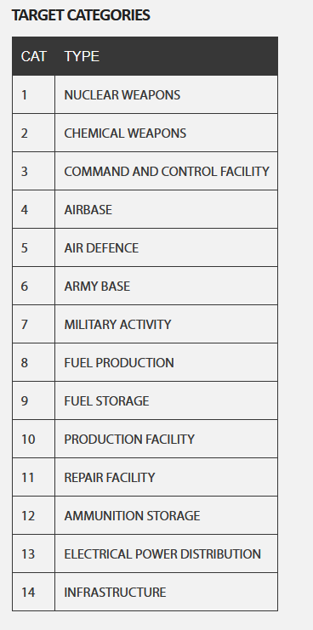
OPARTGT050 | Damascus Int Airport | 4 |  | N33 24.000 | E036 31.000 | 2008ft | Possible staging-point or alternate for Enemy Air Assets
OPARTGT051 | Qabr al-Sitt Heliport | 4 |  | N33 27.500 | E036 21.400 | 2133ft | Possible staging-point or alternate for Enemy Air Assets
OPARTGT052 | Mezzeh Military Airport | 4 |  | N3 3 28.500 | E036 13.000 | 2379ft | Possible staging-point or alternate for Enemy Air Assets
OPARTGT053 | Marj Ruhayyil Airbase | 4 |  | N33 04.000 | E036 27.500 | 2159ft | Hosts the 60th 611/612 SQN (MiG21). Close to the FLOT
OPARTGT054 | Khalkhalah Airbase | 4 |  | N33 04.000 | E036 34.000 | 2365ft | Hosts the 60th 603 SQN (MiG29) and 70th 763 SQN (SU24). Close to the FLOT
OPARTGT055 | Syr Naval Base Latakia | 6 |  | N35 30.700 | E035 46.100 | 10ft | Located in Latakia
OPARTGT056 | Tartus Naval Base | 6 |  | N34 54.100 | E035 52.300 | 10ft | Located in Tartus
OPARTGT057 | Al Dumayr Chemical Weapon storage | 2 |  | N33 40.475 | E036 45.396 | 2717ft | North al Al Dumayr airfield. 3 bunkers. Grid is on centerbunker.
OPARTGT058 | Damascus Chemical Weapon research facility | 2 / 10 |  | N33 25.029 | E036 41.150 | 1955ft | South East of Damascus. Colocated with target 63 and 64. | Destroying this facility will contribute to the overall effect of reducing the Syrian capability to wage war. Cause the Syrians to only use what they currently have, and not be able to add more advanced chemical weapons into the inventory.
OPARTGT059 | Sarqiyah Chemical Weapon research facility | 2 / 10 |  | N34 13.800 | E038 01.670 | 1972ft | Research facility building. Located 25 nm SOUTHWEST of Palmyra. Sarqiyha Reserach Center | Destroying this facility will contribute to the overall effect of reducing the Syrian capability to wage war. Cause the Syrians to only use what they currently have, and not be able to add more advanced chemical weapons into the inventory.
OPARTGT060 | Tabqa Chemical Weapon production facility | 2 / 10 |  | N35 34.100 | E038 25.825 | 1188ft | Located SOUTH of Tabqa
OPARTGT061 | Damascus Chemical Weapon Storage | 2 |  | N33 20.330 | E036 21.380 | 2280ft | Located SW of Damascus
OPARTGT062 | Air Defence Acadamey | 5 |  | N34 36.000 | E036 45.000 | 2077ft | Used for training new SAM and AAA units as part of the Syrian Air Defence. Neutralization of the target will reduce Syrian ability to reinforce their Air Defense units. Located SOUTH of Homs
OPARTGT063 | Rocket motor production facility | 10 / 11 |  | N33 24.836 | E036 41.175 | 1959ft | MLRS and SCUD rocket engines. Repair and construction of rocket engines. SouthEast of Damascus. Colocated with target 64 and 58.
OPARTGT064 | Rocket research facility | 14 |  | N33 24.965 | E036 41.471 | 1962ft | Research into rockets. SouthEast of Damascus. Colocated with target 63 and 58.
OPARTGT065 | Syrian Intelligence Agency | 3 |  | N33 30.741 | E036 16,538 | 2260ft | Syrian Intelligence Agency HQ building. Downtown Damascus
OPARTGT066 | Syrian ADCC | 3/5 |  | N33 28.702 | E036 17.716 | 2215ft | Syrian Air Defence Command Center (controls IADS). High Value Target. Located in Damascus
OPARTGT067 | SCC SOUTH | 3/5 |  | N33 37.178 | E036 44.844 | 2067ft | Syrian Sector Command Center South. Controls South sector of IADS. Located at Al-Dumayr airfield
OPARTGT068 | SCC EAST | 3/5 |  | N35 45.818 | E038 34.937 | 1027ft | Syrian Sector Command Center East. Controls West sector of IADS. Located IVO Tabqa airfield
OPARTGT069 | SCC WEST | 3/5 |  | N35 44.175 | E037 05.603 | 814ft | Syrian Sector Command Center East. Controls East sector of IADS. Located IVO Abu al-Duhur airfield.
OPARTGT070 | Syrian Broadcasting Headquarter | 3/14 |  | N33 30.812 | E036 17.770 | 2264ft | Dual use. Used for propaganda, and for spreading the message for the Syrian regime. Located in Damascus. Collateral issue.
OPARTGT071 | 931st Special Forces Brigade | 7 |  | N33 27.500 | E036 21.400 | 2133ft | Positioned at Qabr as Sitt RW base (Damascus) . Special Forces have their own organic RW.
OPARTGT072 | 60th Air Division Headquarter | 3 |  | N33 15.865 | E036 26.370 | 2142ft | Tunnel entrance to the headquarter. Positioned at Marj Ruhayyil airbase (IVO Damascus)
OPARTGT073 | 70th Air Division Headquarter | 3 |  | N33 04.107 | E036 33.455 | 2349ft | Tunnel entrance to the headquarter. Positioned at Khalkhalah airbase
OPARTGT074 | 80th Air Division Headquarter | 3 |  | N33 29.392 | E036 28.552 | 2008ft | Tunnel entrance to the headquarter. Positioned at Marj as Sultan South RW base (IVO Damascus)
OPARTGT075 | 1st Corps Base | 6 |  | N36 03.000 | E037 20.000 | 1237ft | 14nm SOUTHEAST of Aleppo
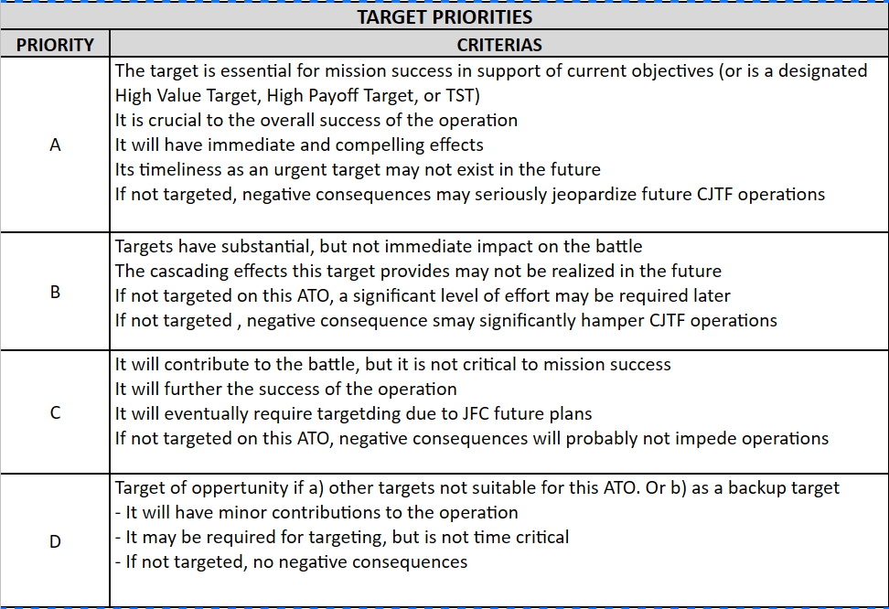
OPARTGT076 | 2nd Corps Base | 6 |  | N34 35.500 | E036 58.500 | 2497ft | EAST of Al Quasayr airfield (aprox 15nm) . Located SOUTHEAST 14nm of Homs.
OPARTGT077 | 3rd Corps Base | 6 |  | N33 23.000 | E036 12.500 | 2566ft | Located in Damascus (WEST)
OPARTGT078 | 4th Corps Base | 6 |  | N33 30.500 | E036 12.500 | 3215ft | Located in Damascus (NORTH)
OPARTGT079 | 5th Corps Base | 6 |  | N34 37.000 | E038 15.000 | 1690ft | Located in Palmyra
OPARTGT080 | Marj Ruhal Ammunition storage | 9 |  | N33 15.000 | E036 15.500 | 2575ft | Located 10nm WEST of Marj Ruhayil Airbase | Central Storage
OPARTGT081 | Al Safira Military Research Center | 5 |  | N35 59.000 | E037 24.000 | 1385ft | 5nm SOUTHEAST of 1st Corps Military Base. Al Safira Military Research Center | Destruction will prevent future threat of biological attack, and will reduce chance of Syrians beeing able to reverse engineer T90 tanks
OPARTGT082 | Hama Powerplant-Coal | 13 / 14 |  | N35 15.900 | E036 35.000 | 873ft | 11nm NORTHWEST of Hama
OPARTGT083 | Tabqa Power distribution | 13 /14 |  | N35 51.300 | E038 33.800 | 1024ft | Located NORTH of Al Tabqah
OPARTGT084 | Powerplant - Coal | 13/ 14 |  | N34 39.500 | E036 37.200 | 1640ft | IVO Homs
OPARTGT085 | Homs Oil Storage | 9 |  | N34 43 500 | E036 38.200 | 1581ft | IVO Homs
OPARTGT086 | Syrian Armed Forces Commander residens | 2 |  | N33 30.546 | E036 13.651 | 3202ft | Located in Damascus
OPARTGT087 | Hama Oil Storage | 9 |  | N35 10.700 | E036 43.200 | 866ft | Located in HAMA.
OPARTGT088 | Syrian Intelligence office Jirah | 3 |  | N36 14.691 | E038 14.606 | 1053ft | 2 similar buildings. Responsible for intelligence in the north-east sector. Located 16nm NORTHEAST of Jirah
OPARTGT089 | Al Assad Oil Storage | 7 |  | N35 13.000 | E035 58.000 | 66ft | Large oil storage, along coast, recive oil from tankers off the coast. 10nm SOUTH of Bassel Al-Assad Airfield. Primary storage for fuel in the northern sector. (Abu ul Duhur, tabqa, Jirah).
OPARTGT090 | Powerplant | 13 |  | N34 57.500 | E036 39.700 | 1352ft | Large powerplant and power distribution. 14nm NORTH of Homs
OPARTGT091 | Syrian Intelligence office | 5 |  | N34 45.545 | E036 17.769 | 1995ft | Responsible for intelligence in the north-west sector. Collataral building, historic site close by. 20nm SOUTHEAST from Tartus
OPARTGT092 | Powerdistribution | 13 |  | N36 04.500 | E038 00.900 | 1024 | Located in Jirah West. Collateral damage close by, Dam and waterpipe
OPARTGT093 | Railroad bridge | 14 |  | N33 25.522 | E036 25.072 | 2044ft | Located in Damascus (SOUTHEAST) . Important to prevent reinforcements beeing moved NORTH on railroad
OPARTGT094 | Syrian Intelligence Internet Agency | 3 |  | N33 30.874 | E036 16.083 | 2264ft | Located in Damascus. Used by Syrian to conduct cyber warfare, hacking, etc.. Collateral issues close by | Destruction of this target will remove the threat of offensive operations in cyberspacefrom SIIA. Removal of this target will thus ensure that the friendly air defense network will be operational (Patriot and ship based air defense), and threat of logistical errors are removed
OPARTGT095 | Syrian Ministry of Defence | 3 / 14 |  | N33 30.831 | E036 16.705 | 2260ft | Located in Damascus. Collateral issues, downtown Damascus
OPARTGT096 | Syrian Ministry of Foreign Affairs | 3 / 14 |  | N33 30.165 | E036 16.184 | 2323ft | Damascus. Collateral issues, downtown Damascus
OPARTGT097 | Syrian Ministry of Finance | 3/ 14 |  | N33 31.278 | E036 17.774 | 2274ft | Located in Damascus. Collateral issues, downtown Damascus
OPARTGT098 | Ammunition storage | 12 |  | N33 41.500 | E036 43.300 | 2592ft | North of Al Dumayr airfield. Grid is centregrid. Total of 7 storages (not bunkers). A-A missiles are stored here | South storage
OPARTGT099 | Powerdistribution | 13 |  | N33 36.830 | E036 32.840 | 1975ft | Located west of Damascus
OPARTGT100 | Syrian Navy HQ | 6 |  | N35 33.657 | E035 44.909 | 26ft | Headquarter of Syrian navy. Located in Latakia.
OPARTGT101 | 91st Republican Guard Armor Division | 7 |  | N33 24.000 | E036 16.000 | 2572ft | South of Damascus. Republican Guard unit. Elite unit. Will be called in if there is serious trouble
OPARTGT102 | 924th SCUD Regiment base | 6 |  | N33 40.000 | E036 44.000 | 2484ft | Located in Damascus (east), 4nm NORTH of Al Dumayr Airfield
OPARTGT103 | Syrian Air Force Headquarter | 3 |  | N33 23.000 | E036 31.266 | 1972ft | Syrian Air Force HQ. Located just south of Damascus International Airport
OPARTGT104 | Backup SDACC East | 3 / 5 |  | N 36 05.667 | E 037 57.050 | 1142ft | Backup SDACC Center ( east ).
OPARTGT105 | Homs Railroad bridge |  |  | N34 36.065 | E036 43.100 | 1998ft | Homs Railroad bridge. Cuts off supply from north to south
OPARTGT106 | Homs railroad station |  |  | N34 41.500 | E036 40.700 | 1633ft | Homs railroad station. Cuts off supply from north to south
OPARTGT107 | Hama food factory |  |  | N35 07.150 | E036 46.000 | 990ft | Hama food factory
OPARTGT108 | Shayrat airbase |  |  | N34 29.507 | E036 54.000 | 2638ft | Home to 701 and 702 MiG 23 squadrons
OPARTGT109 | Tiryas airbase |  |  | N34 31.400 | E037 38.000 | 1798ft | Home to 602 and 712 MiG-29 squadrons
OPARTGT110 | Sayqal airbase |  |  | N33 41.000 | E037 13.000 | 2274ft | Reserve airbase. Redployment for bases under threat
OPARTGT111 | Homs Ammunition storage |  |  | N34 37.500 | E036 45.000 | 1964ft | Northern ammunition storage | Supplies all northern airbases with ammunition
OPARTGT112 | Damascus ammunition storage |  |  | N33 26.100 | E036 30.800 | 1979ft | Central storage, close to Damascus airfield for use by IL-76 | Used to fly ammunition to airbases
OPARTGT113 | Tartus food factory |  |  | N34 51.430 | E035 55.379 | 138ft | Tartus food factory.
OPARTGT114 | Idlib Food factory |  |  | N35 55.943 | E036 38.736 | 1339ft
OPARTGT115 | Aleppo Food factory |  |  | N36 18.300 | E037 10.732 | 1410ft
OPARTGT116 | Idlib Food storage |  |  | N35 55.439 | E036 31.300 | 1290ft | Syrian Army food storage
OPARTGT117 | Raqqa Food storage |  |  | N35 57.745 | E038 59.192 | 769ft | Syrian Army food storage
OPARTGT118 | Damascus food storage |  |  | N33 25.506 | E036 16.125 | 2223ft | Syrian Army food storage
OPARTGT119 | Al Assad ammo storage |  |  | N35 20.000 | E036 04.500 | 817ft | Al Assad ammo storage
OPARTGT120 | Hama Railroad Station |  |  | N35 07.800 | E036 43.600 | 971ft | Hama railroad station
OPARTGT121
OPARTGT122
OPARTGT123
OPARTGT124
OPARTGT125
OPARTGT126
OPARTGT127
OPARTGT128
OPARTGT129
OPARTGT130
OPARTGT131
OPARTGT132
OPARTGT133
OPARTGT134
OPARTGT135

 | 1st Fighter Aviation Regiment HQ
 | 2nd Fighter Aviation Regiment HQ
 | 4th Fighter Aviation Regiment HQ
 | 5th Assault Aviation Regiment HQ
 | 6th Assault Aviation Regiment HQ
 | 7th Bomber Regiment HQ
 | 8th Interceptor Regiment HQ
 | 9th Transport Aviation Regiment HQ

Risk levels
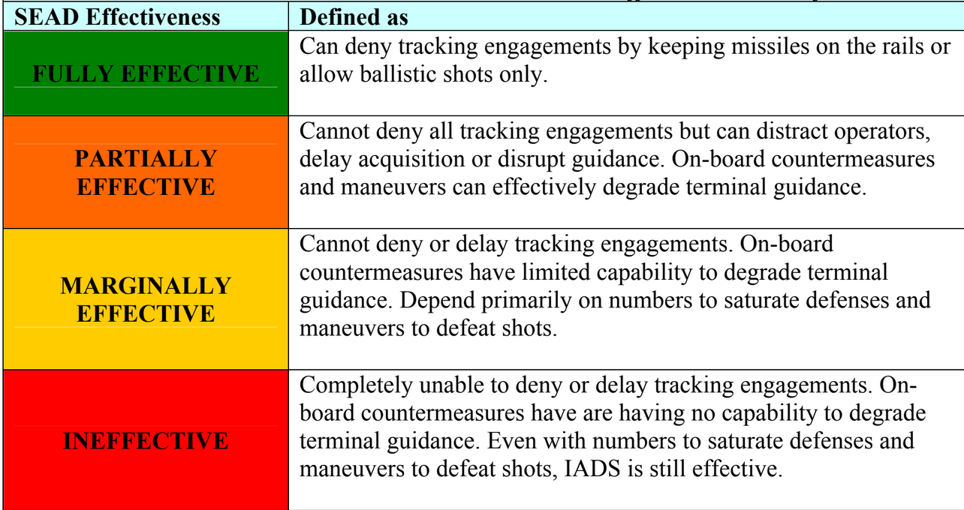
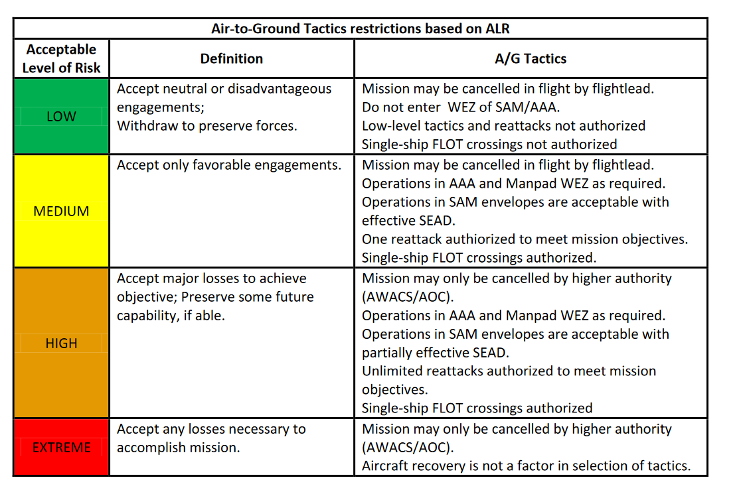
 |  |  | OLD REFERENCES
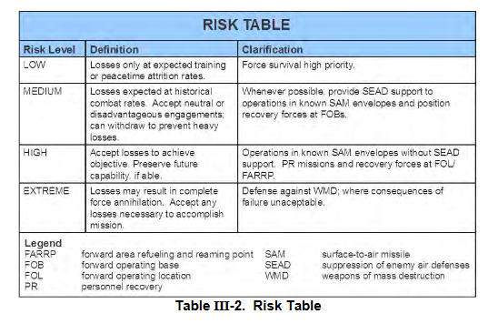

EXPLANATION:
Accepted risk levels are given for each target on JPTL and TST matrix by JFACC. Show what kind of risk JFACC is willing to take for each target.
ACCEPTED RISK LEVELS
RISK LEVEL | DEFINITION | CLARIFICATION
LOW | Losses only at expected training or peactime attrition rates | Force survival high priority
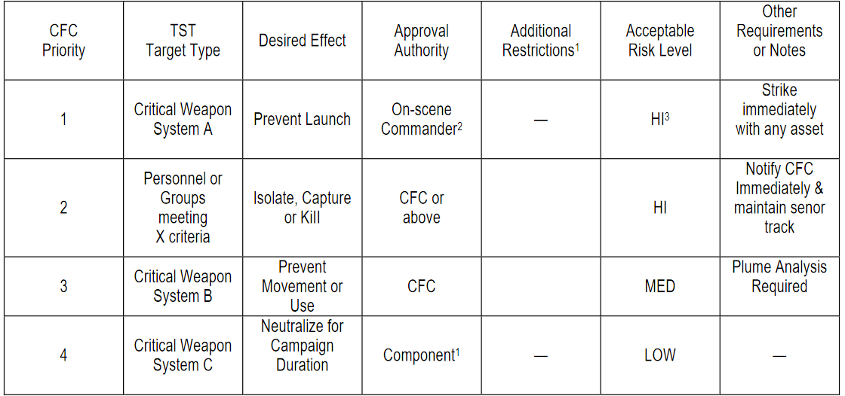
MEDIUM | Losses expected at historical combat rates. Accept neutral or disadvantegous engagements. Can withdraw to prevent heavy losses | Whenever possible, provide SEAD support to operations in known SAM envelopes and position PR forces at at alert on FOBs/airfields
HIGH | Accept losses to achieve objective. Preserve future capability if able | Operations in known SAM envelopes without SEAD support. PR missions and recovery forces at FARP.
EXTREME | Losses may result in complete force annihilation. Accept any losses necessary to accomplish mission | Defense against WMD (weapons of mass destruction), where consequences of failure unaceptable.

Target Categories
EXPLANATION:
Every target on the target list is in one of these categories. CJTF HQ or JFACC can give restrictions or priorities using these categories. For example, CJTF HQ can ask JFACC to focus on category 4-8, and while making sure any target from category 1-3 is a TST target. And Category 13 and 14 is not allowed to attack for the next period.
TARGET CATEGORIES |  |  | OLD REFERENCES
CATEGORIES | TYPE
1 | Weapons of Mass destruction (Nuclear, Biological, Chemical) | Research facility, production facility, storage, scientists, delivery means
2 | Command, Control and Communications | Command bunkers, radio masts, Headquarters
3 | Airforces and airfields | Aircrafts and airfields
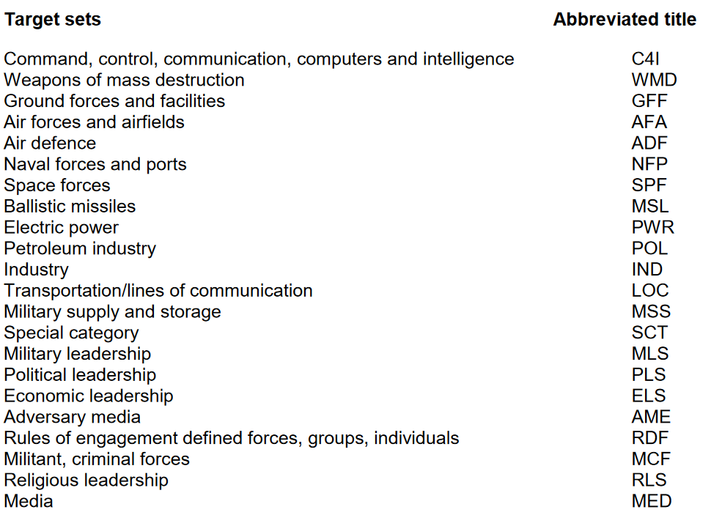
4 | Air Defence | SAMs, IADS components, AAA
5 | Ground forces and facilities | Ground vehicles and bases, military research facility
6 | Naval forces and ports | Ships and ports
7 | Petroleum industry | Petroleum, Oil, Lubricants (POL): Fuel production, fuel storage, pipelines, refineries, platforms, wells
8 | Electric power | Powerplants, powerlines
9 | Military production, supply and storage (Military industry) | Ammunition storage, warehouses, factories of military supplies
10 | Transportation / lines of communications | Roads, railroad, bridges
11 | Political leadership | Regime leadership
12 | Media | TV stations, radio stations
13 | Industry (Civilian) | General industry not covered by other categories, factories (Non-military equipment)
14 | Infrastructure | General infrastructure not covered by other categories

 | Naval Base

Target Priorities
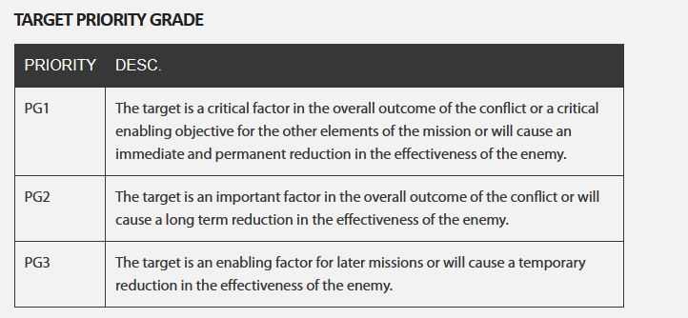
EXPLANATION:
VIS will , based on the current situation, availeble intelligence and priorities, assign a priority for each target. This will help JFACC prioritizing the most important targets for selection on the JPTL for the next periode (next event)
 |  |  |  | OLD REFERENCES
TARGET PRIORITIES
PRIORITY | CRITERIAS
A | The target is essential for mission success in support of current objectives (or is a designated High Value Target, High Payoff Target, or TST) It is crucial to the overall success of the operation It will have immediate and compelling effects Its timeliness as an urgent target may not exist in the future If not targeted, negative consequences may seriously jeopardize future CJTF operations
B | Targets have substantial, but not immediate impact on the battle The cascading effects this target provides may not be realized in the future If not targeted on this ATO, a significant level of effort may be required later If not targeted , negative consequence smay significantly hamper CJTF operations
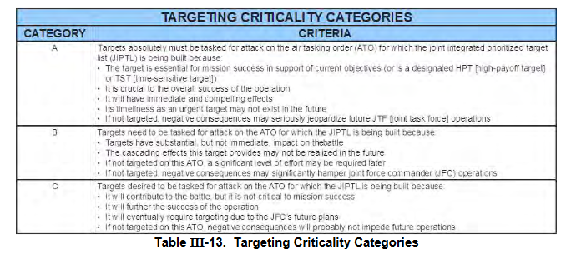
C | It will contribute to the battle, but it is not critical to mission success It will further the success of the operation It will eventually require targetding due to JFC future plans If not targeted on this ATO, negative consequences will probably not impede operations
D | Target of oppertunity if a) other targets not suitable for this ATO. Or b) as a backup target - It will have minor contributions to the operation - It may be required for targeting, but is not time critical - If not targeted, no negative consequences

 | TARGET CATEGORIES
 | CATEGORIES | TYPE
 | 1 | Weapons of Mass destruction (Nuclear, Biological, Chemical) | Research facility, production facility, storage, scientists, delivery means
 | 2 | Command, Control and Communications | Command bunkers, radio masts, Headquarters
 | 3 | Airforces and airfields | Aircrafts and airfields
 | 4 | Air Defence | SAMs, IADS components, AAA
 | 5 | Ground forces and facilities | Ground vehicles and bases, military research facility
 | 6 | Naval forces and ports | Ships and ports
 | 7 | Petroleum industry | Petroleum, Oil, Lubricants (POL): Fuel production, fuel storage, pipelines, refineries, platforms, wells
 | 8 | Electric power | Powerplants, powerlines
 | 9 | Military production, supply and storage (Military industry) | Ammunition storage, warehouses, factories of military supplies
 | 10 | Transportation / lines of communications | Roads, railroad, bridges
 | 11 | Political leadership | Regime leadership
 | 12 | Media | TV stations, radio stations
 | 13 | Industry (Civilian) | General industry not covered by other categories, factories (Non-military equipment)
 | 14 | Infrastructure | General infrastructure not covered by other categories

Effects
EXPLANATION:
On the JPTL, JFACC will state the effect they want to achieve for each target.
It will be the AOC's job to translate this into specific taskings (together with risk level guidance from JFACC).
TARGET EFFECTS DEFINITIONS |  |  | OLD REFERENCES
EFFECT | DEFINITION | Explanation
Destroy | 1)To damage the condition of the target so that it can not function as intended nor to be restored to a usable condition 2) Damage done to the function is permanen, and all aspects of the function have been affected 3) A function's operation is permanently impaired, and the damage extends to all facets of the function's operation | Completely destroy the assigned target. Typically used for fixed targets. Targets can consists of multiple DPI/DMPI's (Desired Point of Impact / Desired Mean Point of Impact). Destroy means destroying all DPI / DMPI completely destroyed. |  | 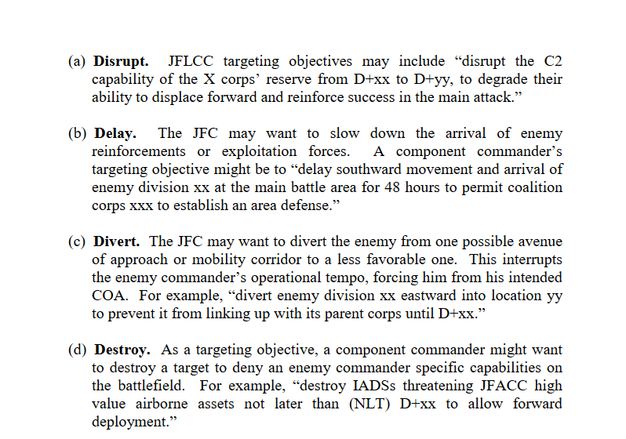
Degrade | 1) Damage done to the function is permanent, but only portions of the function were affected, that is, the function is still operational, but not fully 2) A functions operation is permanently impaired, but the damage does not extend to all facets of the functions operation. | Partly destroy the assigned target. Typically used for fixed targets. Degrade means destroying portions of DPI / DMPI 's. Can be given as %. Example: Degrade target 30% means 30 % of DPI/DMPI's need to be destroyed.
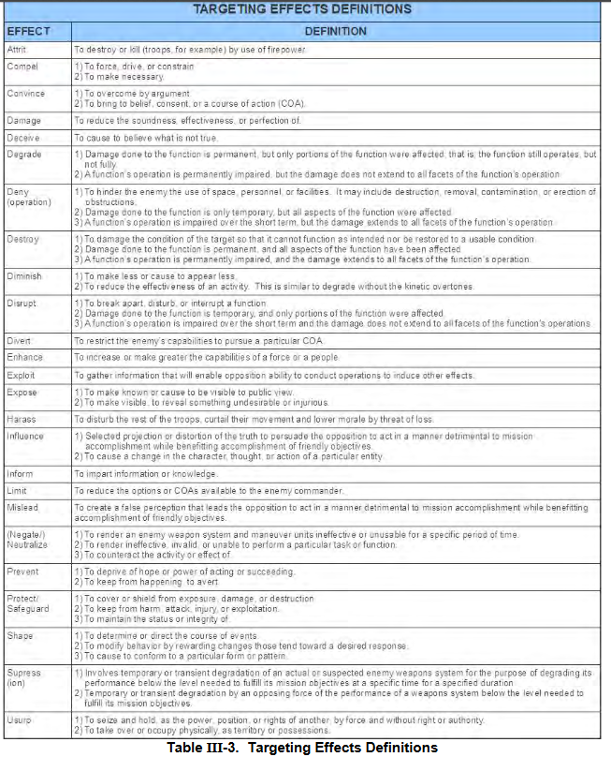
Neutralize | 1) To render an enemy weapon systen and maneuver unit ineffective or unusable for a specific period of time 2) To render ineffective, invalid or unable to perform a particular task or function 3) To counteract the activiy or effect of | Typically used against mobile targets / mobile weapons systems / maneuver units. Means to make it ineffective by either killing it or damaging it so it is unusable
Attrit | 1) To destroy or kill by the use of firepower (troops for example) | Typically used against enemy ground formations (Corps, Divisions, Brigades, Battalions). Can also be given as Attrit and a percent value to state how much the formation should be destroyed/killed. For example: Attrit 1st Armor BN 50%.
Disrupt | 1) To break apart, disturb or interrupt a function 2) Damage done to the function is temporary, and only portions of the function have been affected 3) A functions operations is imparied over the short term and the damage does not extend to all facets of the functions operations | To interrupt the function of the target. For example by using HARM's to disrupt SAM sites from using its radar. Or disturb or break apart, for example by disturbing a formation moving on a road by attacking the vehicles on the road
Deny | 1) To hinder the enemy the use of space, personel or facilities. It may include destruction, removal 2) Damage done to the function is only temporary, but all aspects of the function were affected 3) A function's operations is impaired over the short term, but the damage extends to all facets of the functions operations | Used against lines of communication (deny use of), or facilities (deny use of), or area (deny use of)
Harass | 1) To disturb the rest of the troops, curtail their movement and lower morale by threat of loss. | Typically used againts enemy ground formations or air units. Attack parts of the enemy units, but does not need to be successful and destroy. It is primarily for reducing the moral by inducing fear on the enemy that they may be next or may be hit soon
Prevent | 1) To deprive of hope or power of acting or succeeding 2) To keep from happening to avert | For example prevent use of enemy airfield for 24 hours.

Example_support
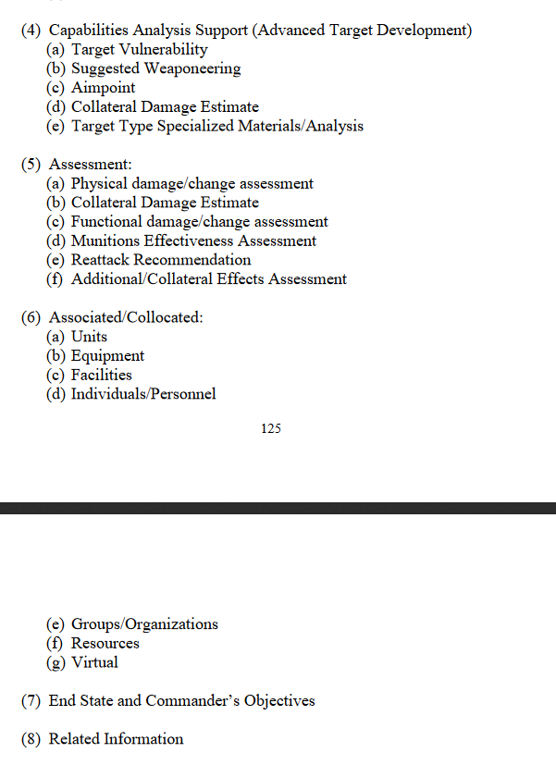
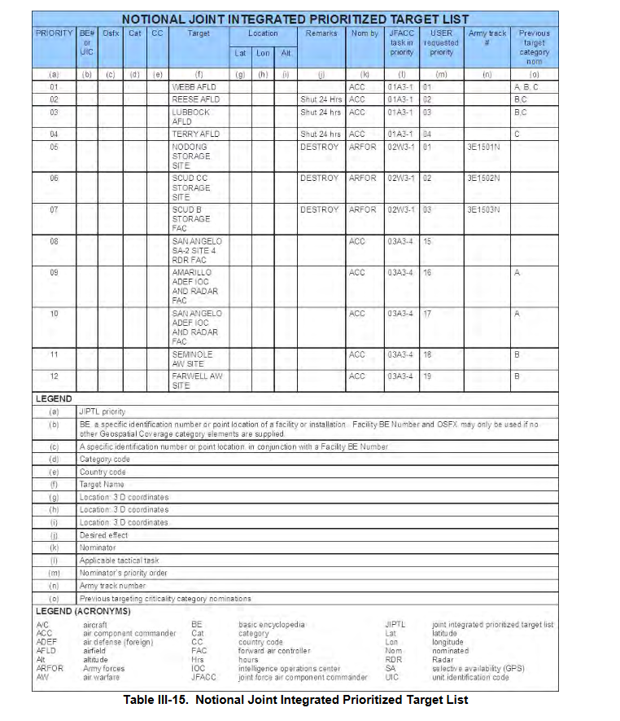
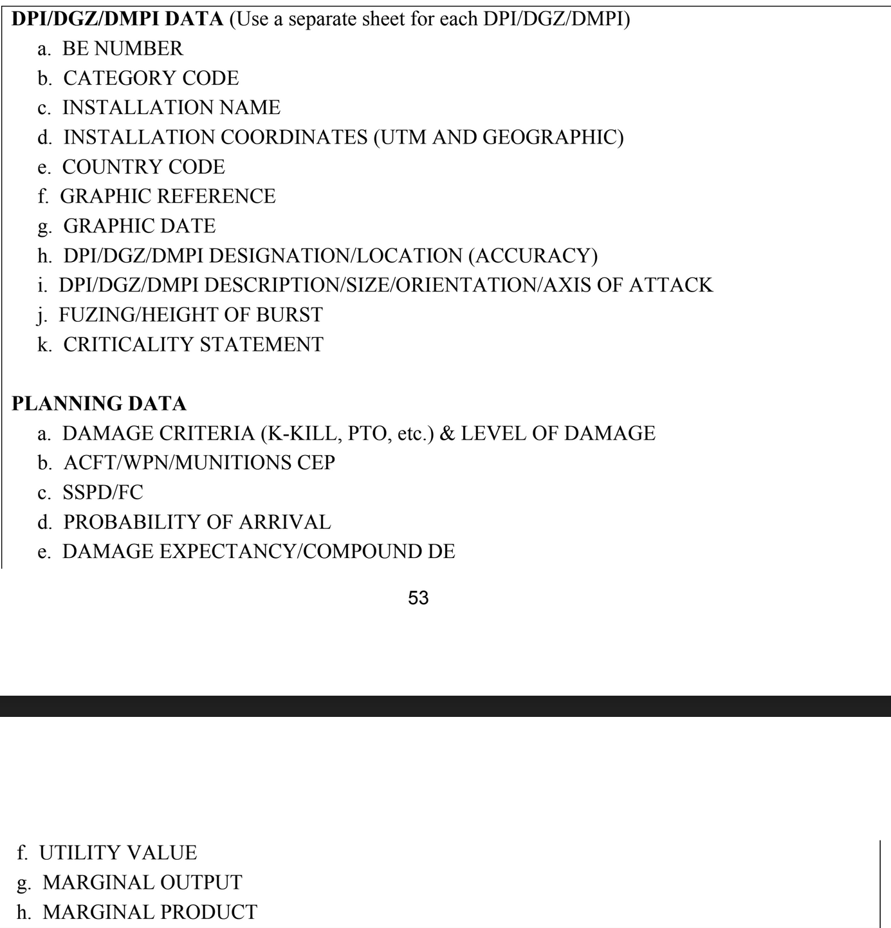
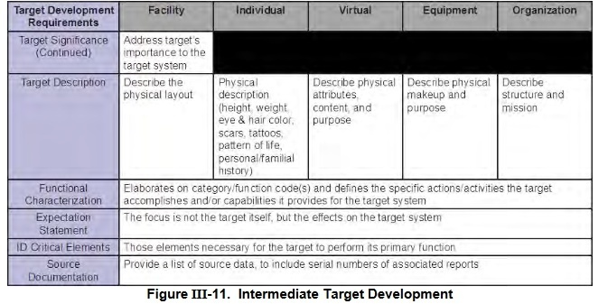
Source:
Joint Targeting School Study guide (Unclassified): | https://www.jcs.mil/Portals/36/Documents/Doctrine/training/jts/jts_studentguide.pdf?ver=2017-12-29-171316-067

JPUB Joint Targeting (Unclassified): | https://www.justsecurity.org/wp-content/uploads/2015/06/Joint_Chiefs-Joint_Targeting_20130131.pdf

